Latency for Hello
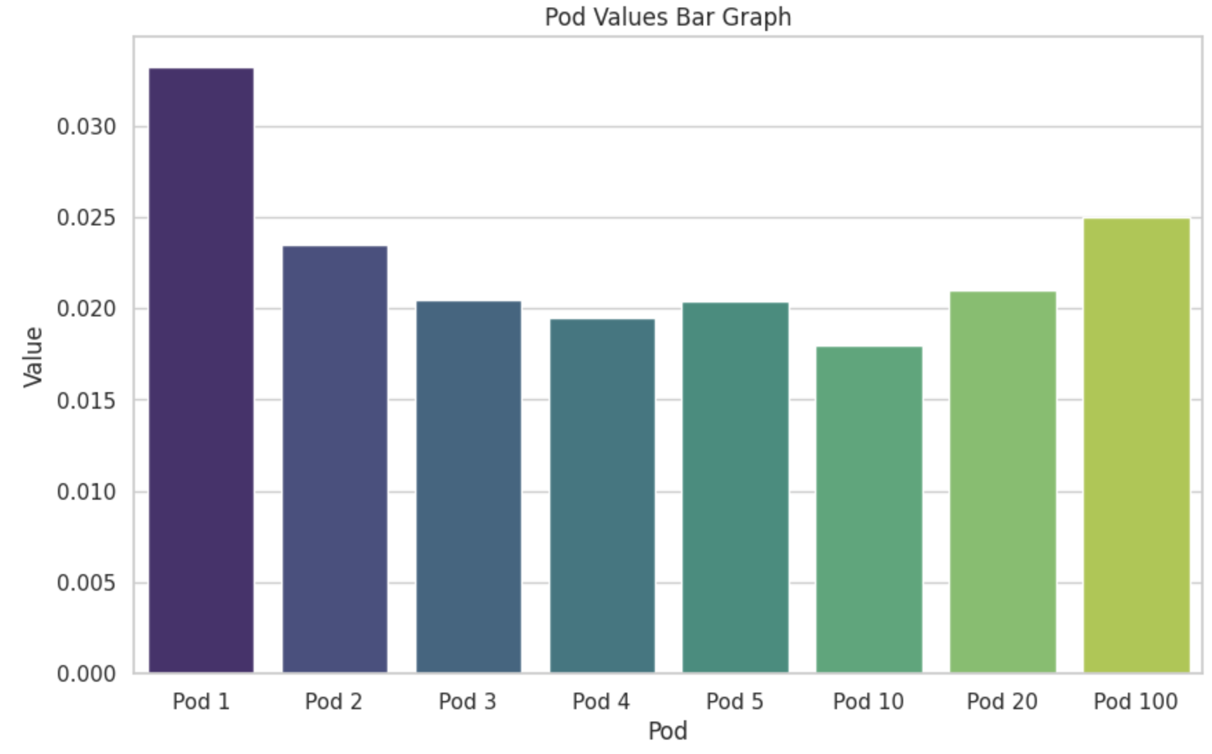
 | Run1Avg | Run2Avg | Run3Avg | Average
Pod 1 | 0.0321 secs | 0.0323 secs | 0.0352 secs | 0.0332
Pod 2 | 0.0255 secs | 0.0240 secs | 0.0210 secs | 0.0235
Pod 3 | 0.0199 secs | 0.0209 secs | 0.0206 secs | 0.0205
Pod 4 | 0.0207 secs | 0.0193 secs | 0.0184 secs | 0.0195
Pod 5 | 0.0195 secs | 0.0200 secs | 0.0216 secs | 0.0204
Pod 10 | 0.0162 secs | 0.0178 secs | 0.0199 secs | 0.018
Pod 20 | 0.0201 secs | 0.0221 secs | 0.0209 secs | 0.021
Pod 100 | 0.0224 secs | 0.0227 secs | 0.0299 secs | 0.025

Summary
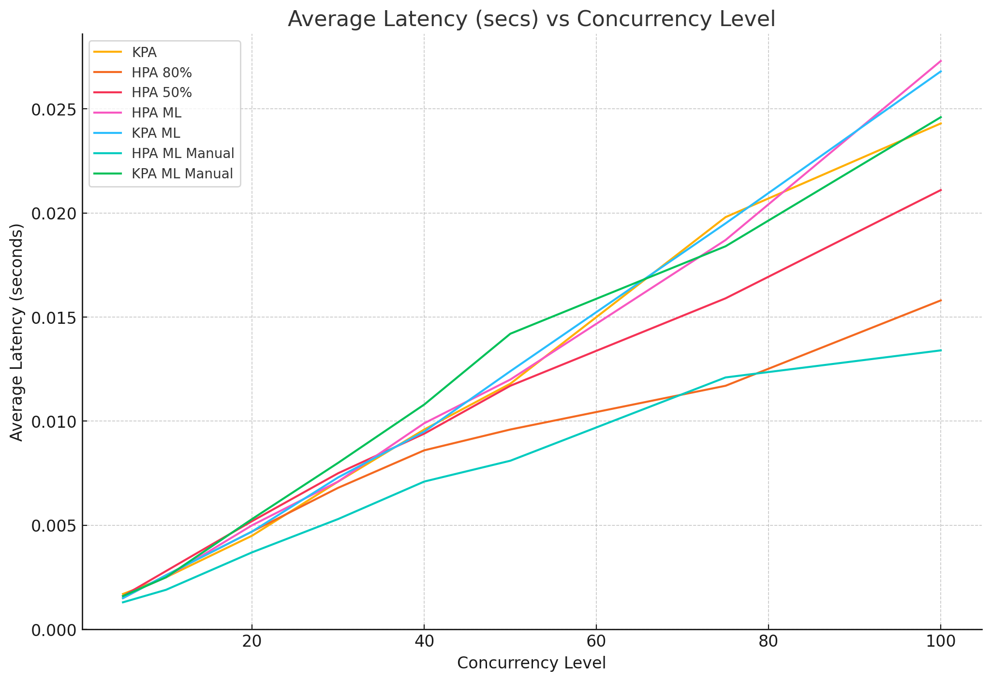
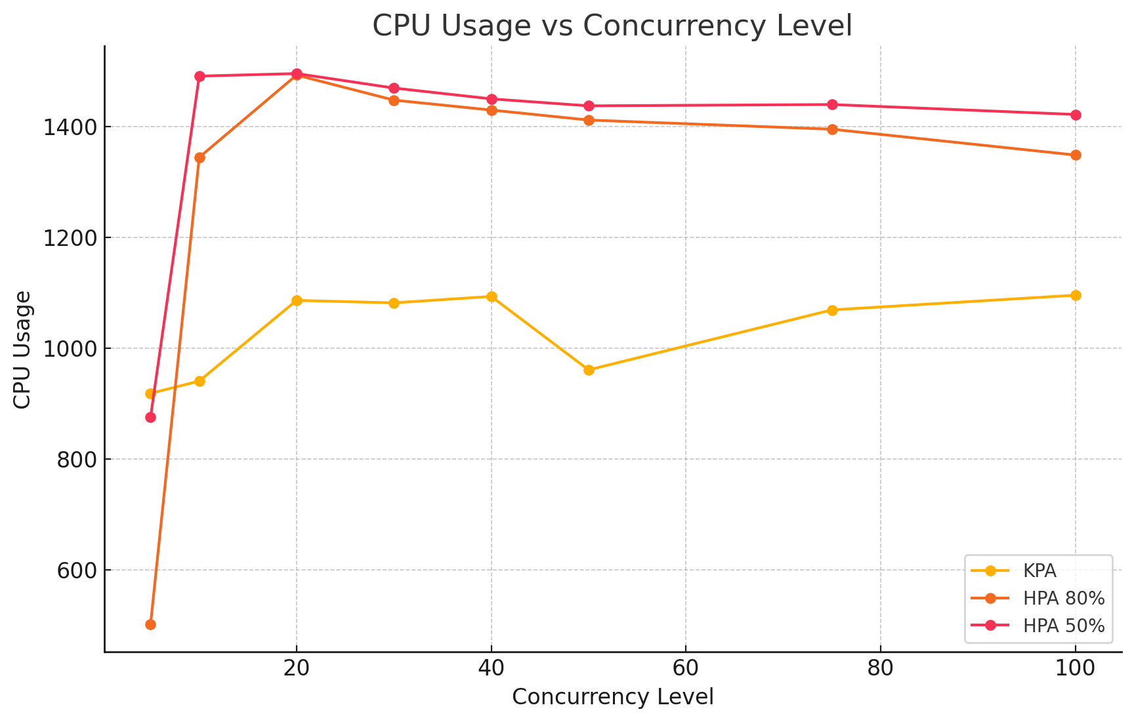
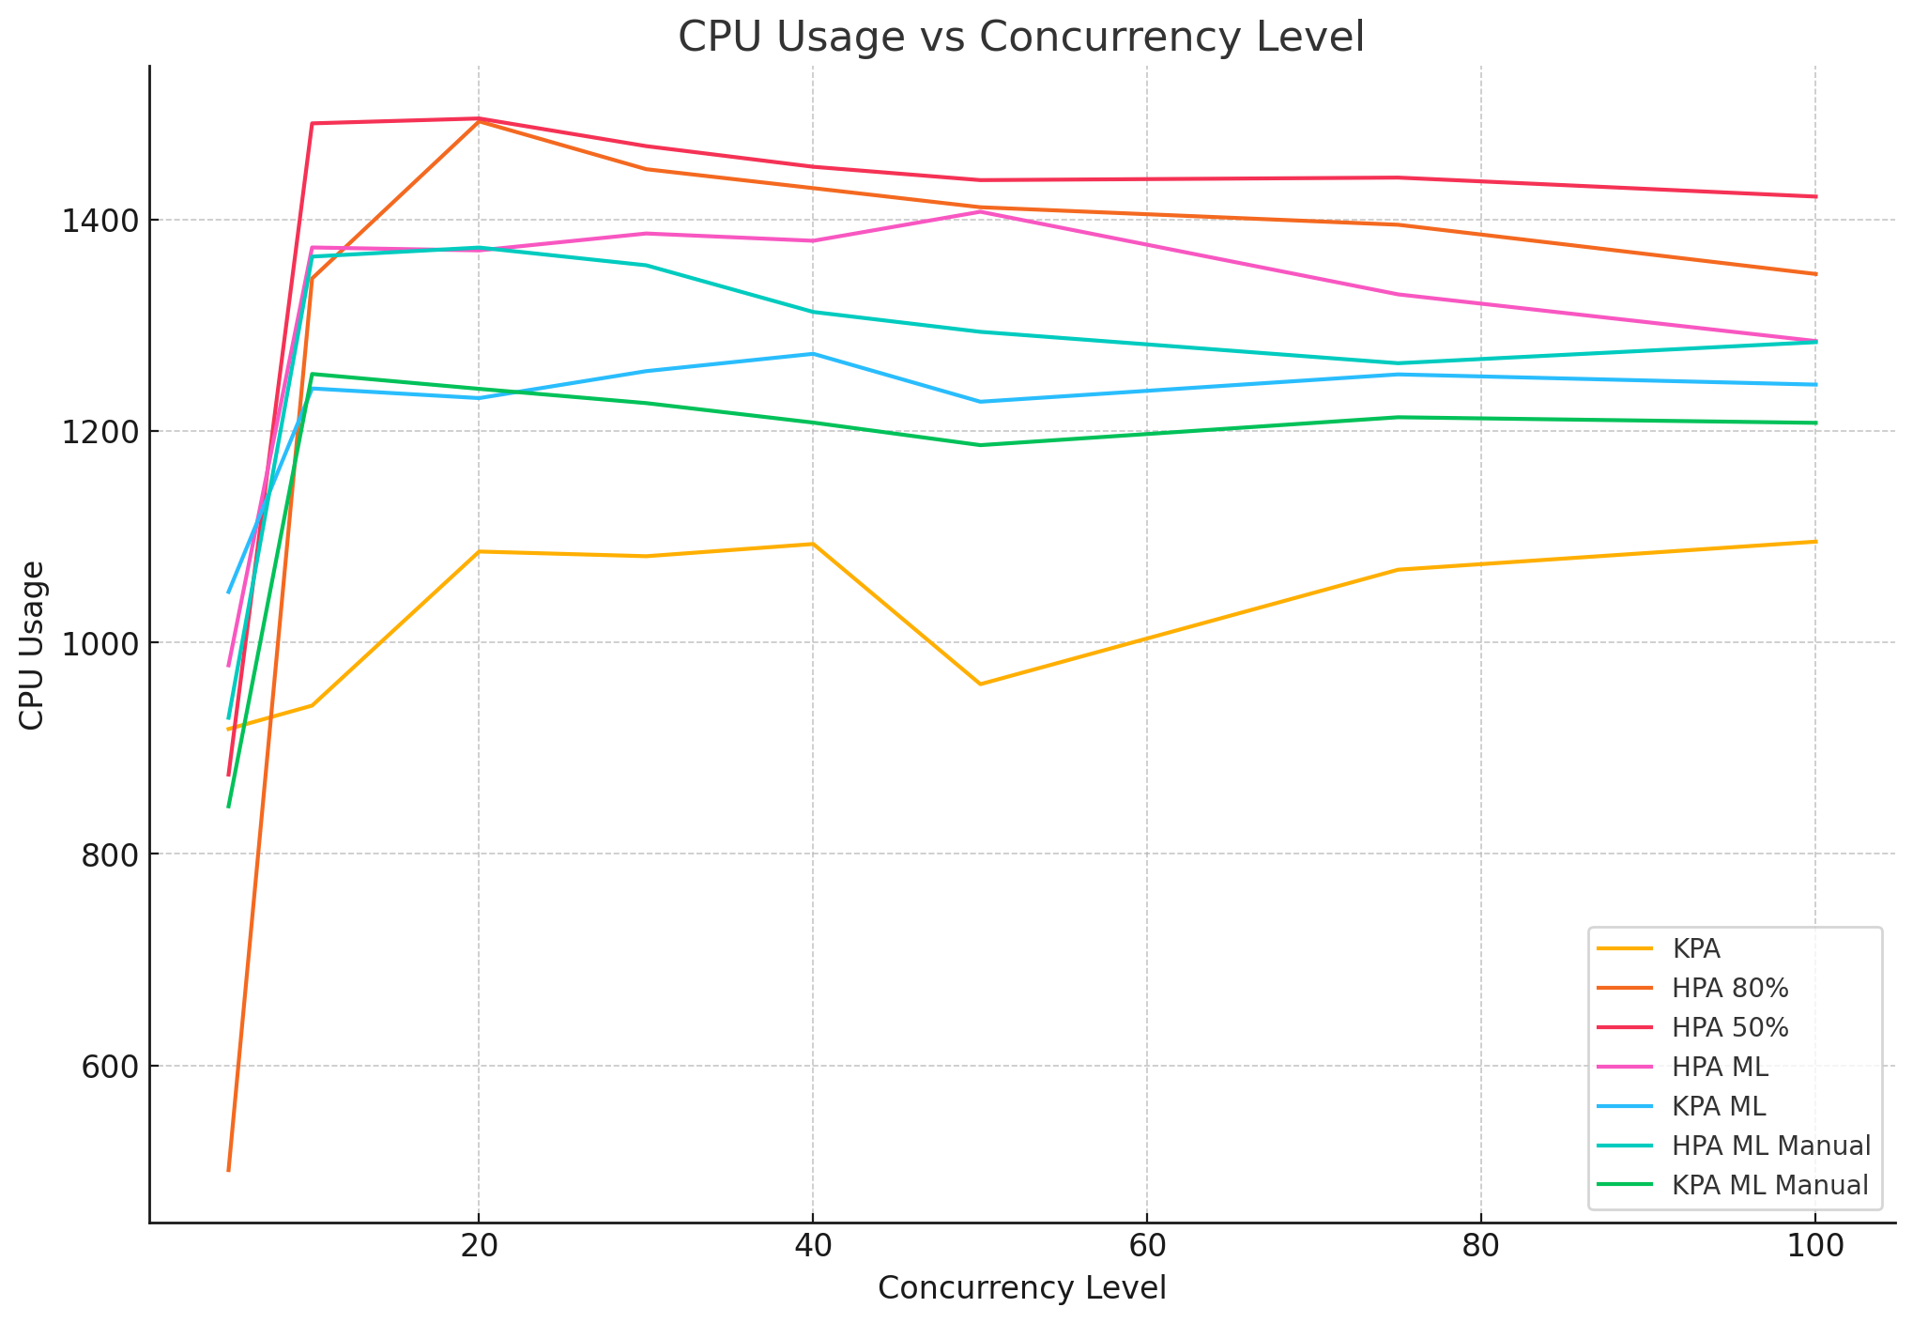
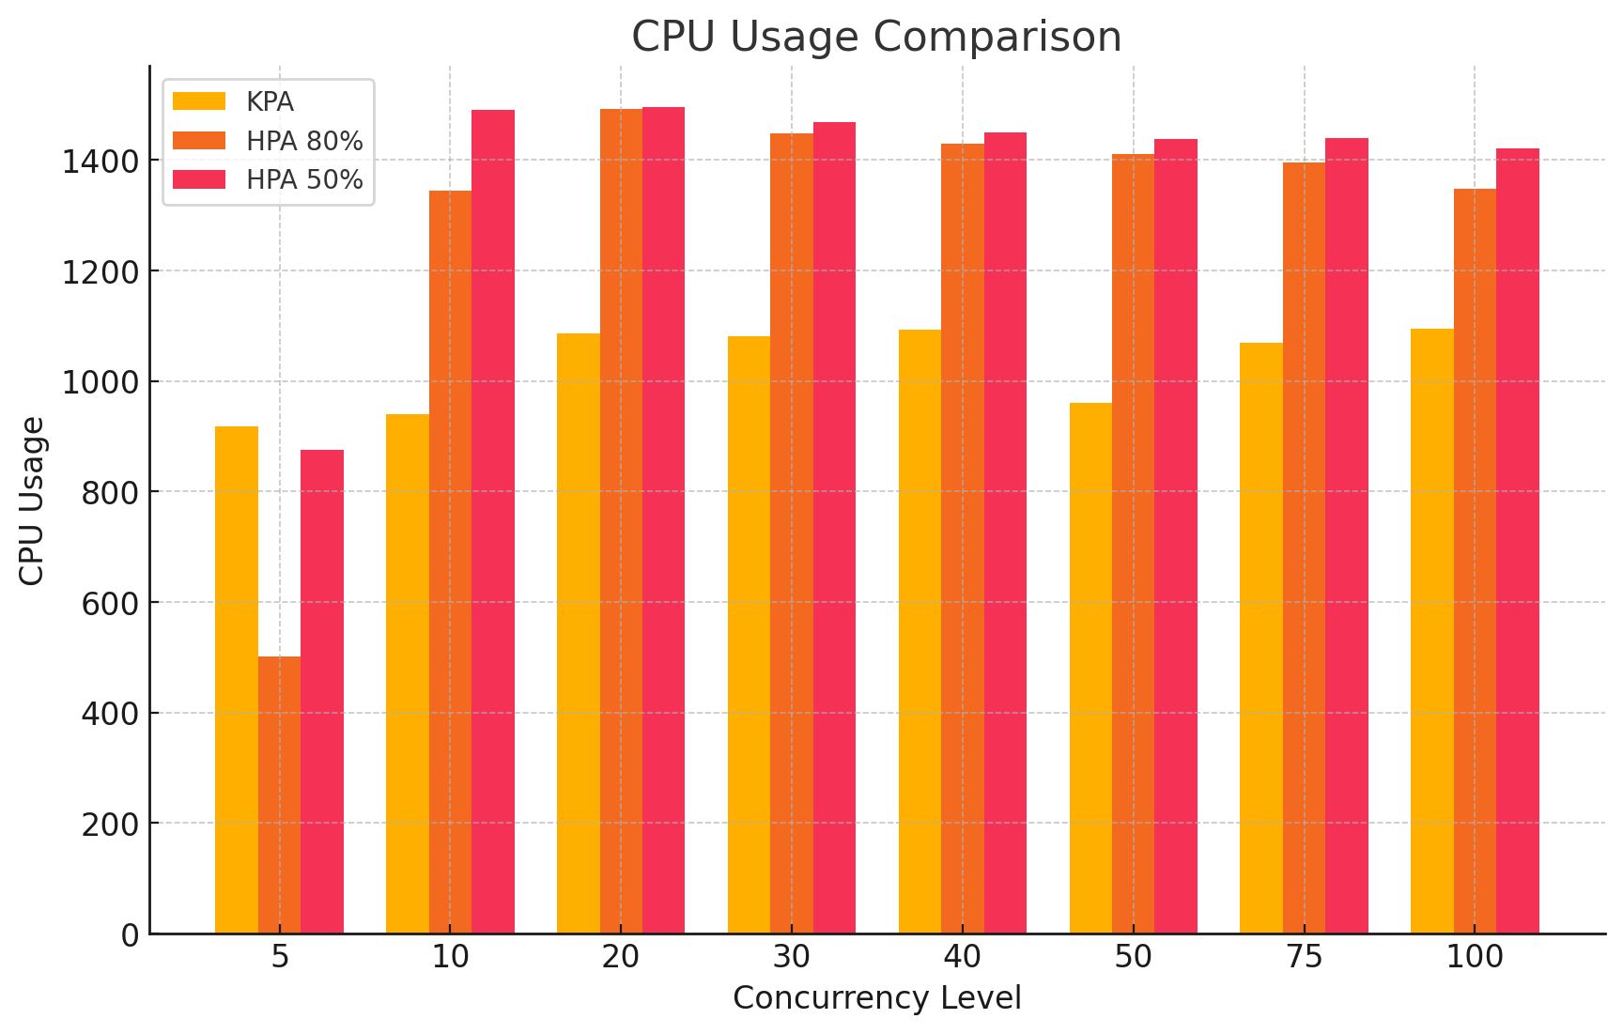
concurrency_level | cpu_usage | memory_usage | Average (secs) | Requests/sec | number_of_pods | KPA | 250m, 128Mi |  | Some quick GPT graphs
5 | 815.09 | 22.19 | 0.0016 | 3108.5037 | 1
10 | 1030.9 | 22.02 | 0.0023 | 4363.5486 | 1
20 | 1096.32 | 62.3 | 0.0053 | 3756.4892 | 3
30 | 1078.52 | 84.12 | 0.0073 | 4103.693 | 4
40 | 1066.56 | 84.83 | 0.0103 | 3894.2608 | 4
50 | 1090.26 | 106.33 | 0.0122 | 4104.6846 | 5
75 | 1084.9 | 144.88 | 0.0203 | 3688.4317 | 7
100 | 1199.26 | 206.05 | 0.0282 | 3539.9678 | 10

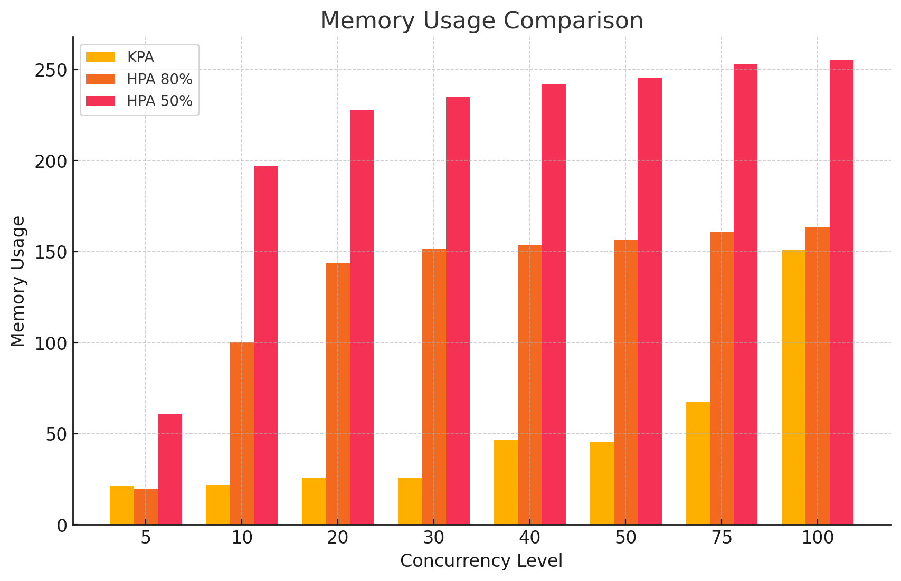
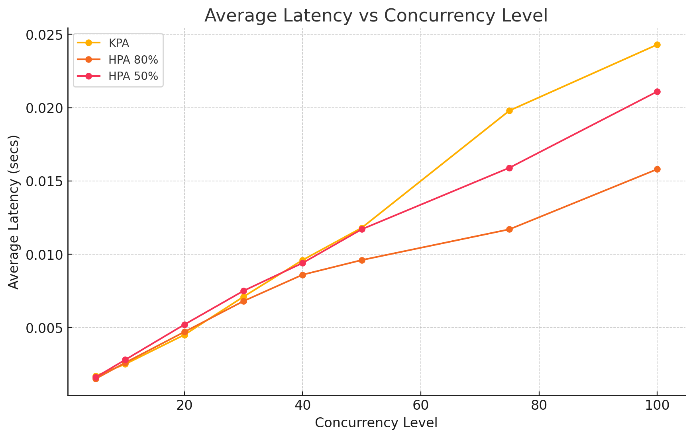
concurrency_level | cpu_usage | memory_usage | Average (secs) | Requests/sec | number_of_pods | HPA 80% | 250m, 128Mi
5 | 501.06 | 19.55 | 0.0015 | 3345.3195 | 2
10 | 1344.13 | 100.14 | 0.0026 | 3877.173 | 7
20 | 1492.66 | 143.63 | 0.0047 | 4265.8261 | 7
30 | 1447.43 | 151.34 | 0.0068 | 4429.2016 | 7
40 | 1429.51 | 153.42 | 0.0086 | 4648.565 | 7
50 | 1411.47 | 156.58 | 0.0096 | 5227.1477 | 7
75 | 1394.91 | 160.83 | 0.0117 | 6422.3507 | 7
100 | 1348.35 | 163.41 | 0.0158 | 6313.2362 | 7

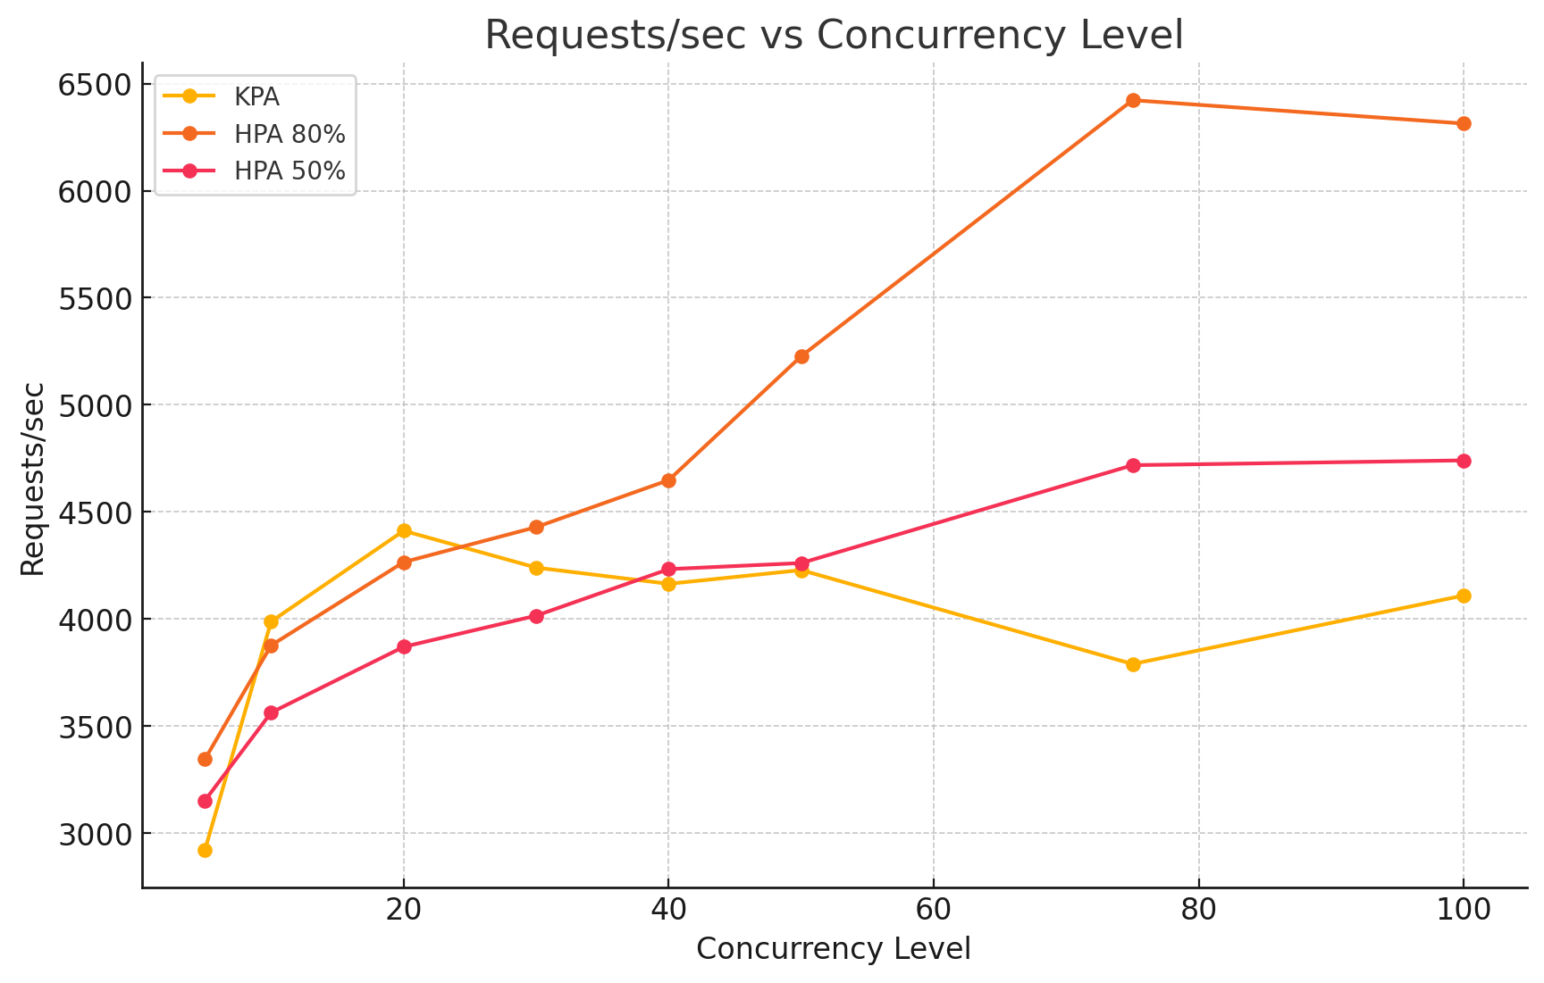
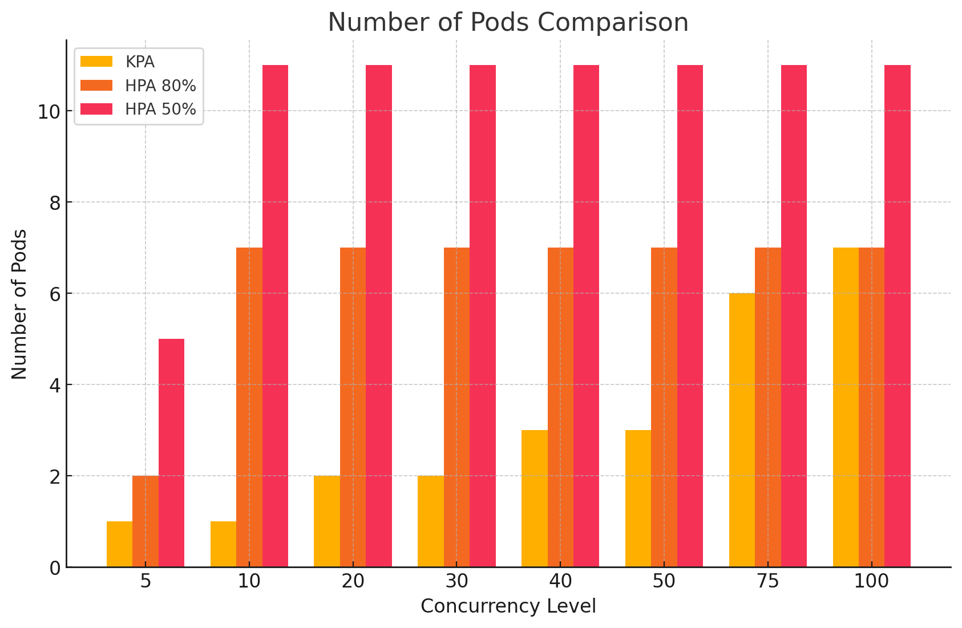
concurrency_level | cpu_usage | memory_usage | Average (secs) | Requests/sec | number_of_pods | HPA 50% | 250m, 128Mi
5 | 875.04 | 61.04 | 0.0016 | 3152.5718 | 5
10 | 1490.78 | 196.96 | 0.0028 | 3563.313 | 11
20 | 1495.4 | 227.48 | 0.0052 | 3870.3307 | 11
30 | 1469.24 | 234.93 | 0.0075 | 4015.8485 | 11
40 | 1449.71 | 241.7 | 0.0094 | 4233.0797 | 11
50 | 1437.11 | 245.69 | 0.0117 | 4261.5363 | 11
75 | 1439.5 | 253.1 | 0.0159 | 4718.2817 | 11
100 | 1421.54 | 255.1 | 0.0211 | 4740.6668 | 11

concurrency_level | cpu_usage | memory_usage | Average (secs) | Requests/sec | number_of_pods | HPA ML System
5 | 978.38 m | 31.42 | 0.0016 | 3053.802 | 1
10 | 1373.43 m | 51.05 | 0.0025 | 3969.2682 | 2
20 | 1370.66 m | 59.68 | 0.005 | 3983.7628 | 3
30 | 1386.64 m | 89.3 | 0.0071 | 4209.9433 | 4
40 | 1379.75 m | 103.63 | 0.0099 | 4052.8145 | 5
50 | 1407.22 m | 128.23 | 0.012 | 4156.4174 | 6
75 | 1329.09 m | 152.69 | 0.0187 | 4008.3172 | 7
100 | 1284.95 m | 156.99 | 0.0273 | 3654.7053 | 7 |  |  | 500m, 256Mi

concurrency_level | cpu_usage | memory_usage | Average (secs) | Requests/sec | number_of_pods | KPA ML System
5 | 1047.79 m | 26.47 | 0.0015 | 3053.802 | 1
10 | 1240.12 m | 58.17 | 0.0026 | 3833.3174 | 2
20 | 1231.00 m | 80.02 | 0.0047 | 4216.604 | 3
30 | 1256.50 m | 96.27 | 0.0073 | 4118.3873 | 4
40 | 1272.88 m | 131.04 | 0.0095 | 4200.7356 | 5
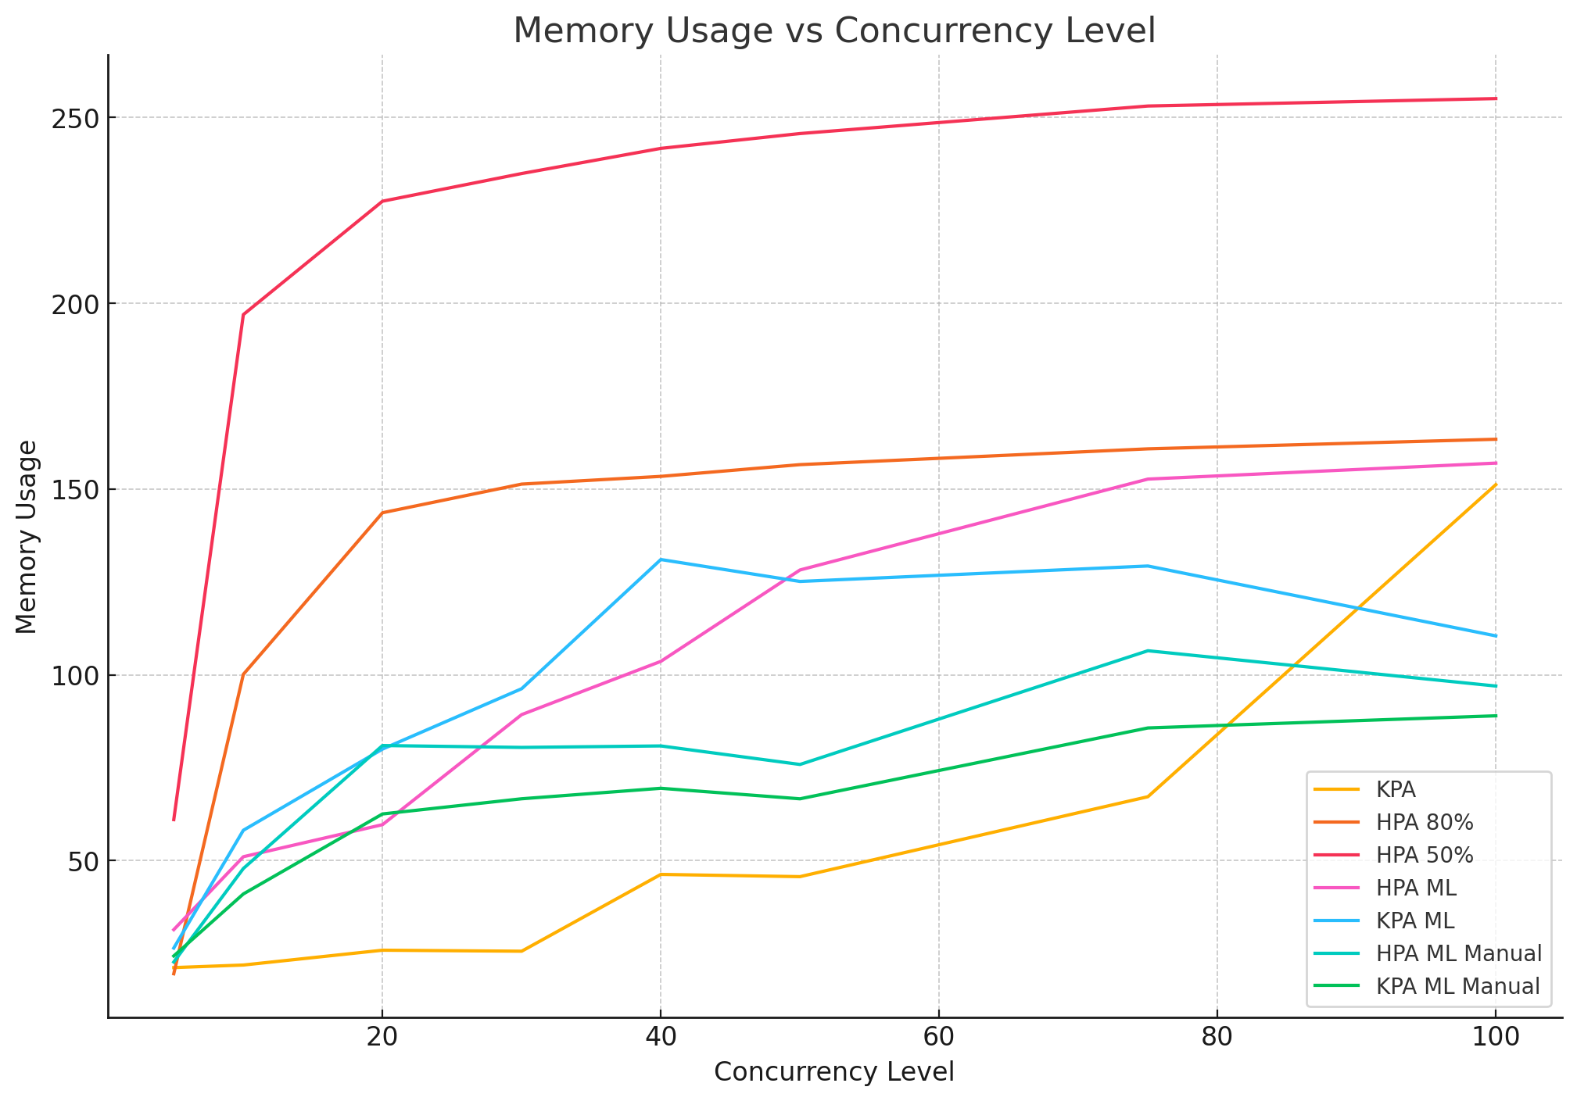
50 | 1227.58 m | 125.14 | 0.0124 | 4033.4 | 6
75 | 1253.42 m | 129.3 | 0.0195 | 3845.7335 | 7
100 | 1243.76 m | 110.49 | 0.0268 | 3734.9693 | 7 |  | 500m, 256Mi

concurrency_level | cpu_usage | memory_usage | Average (secs) | Requests/sec | number_of_pods | HPA ML Manual | 500m, 256Mi
5 | 928.73 m | 22.71 | 0.0013 | 3890.5156 | 1
10 | 1364.81 m | 47.88 | 0.0019 | 5140.8575 | 2
20 | 1373.35 m | 80.98 | 0.0037 | 5442.0816 | 3
30 | 1356.57 m | 80.47 | 0.0053 | 5626.3995 | 3
40 | 1312.44 m | 80.87 | 0.0071 | 5665.3412 | 3
50 | 1293.66 m | 75.88 | 0.0081 | 6147.233 | 3
75 | 1263.99 m | 106.49 | 0.0121 | 6221.3149 | 4
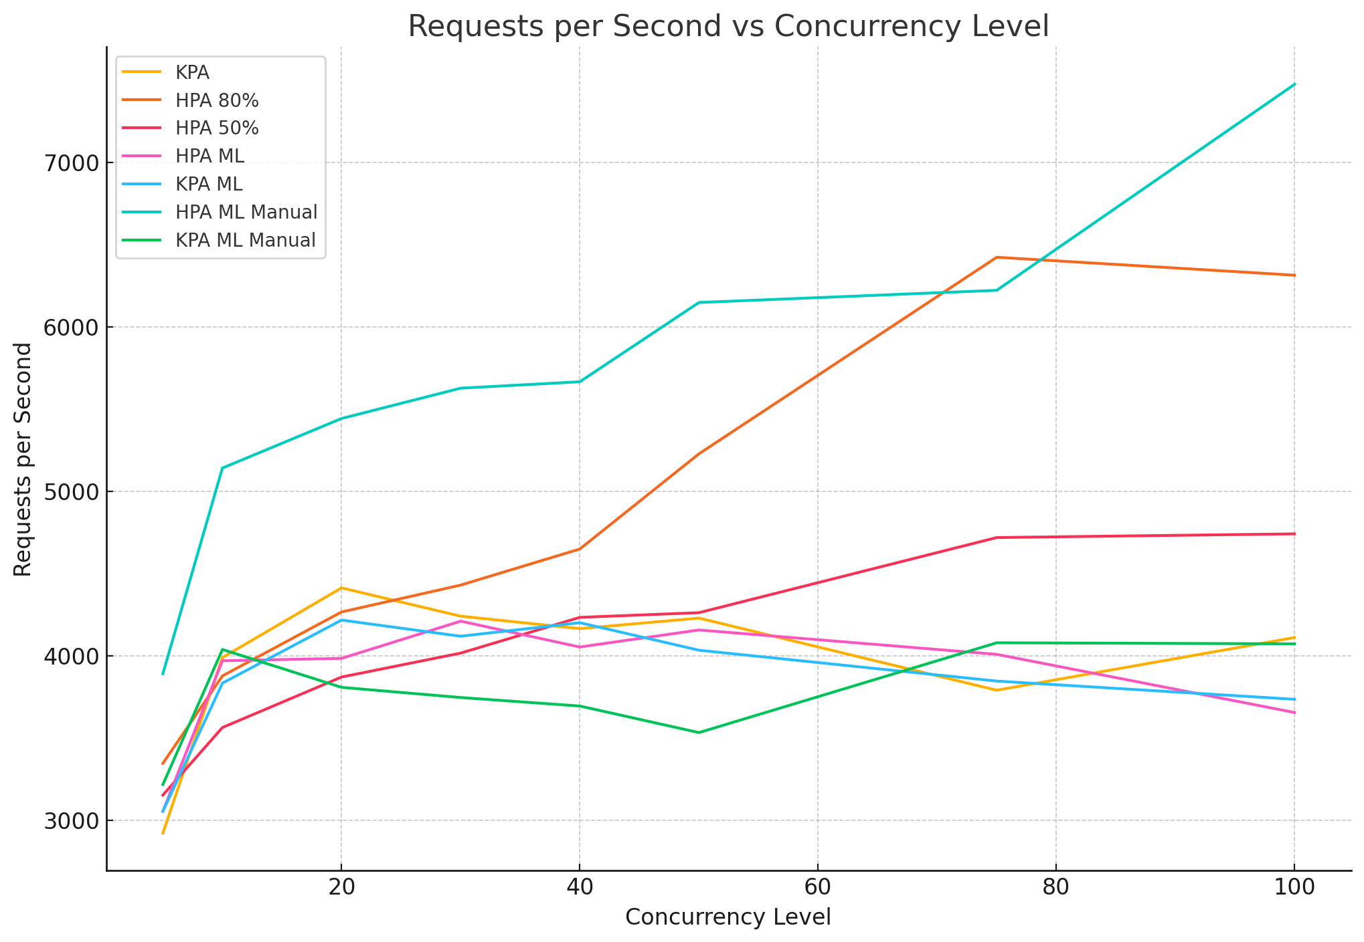
100 | 1283.90 m | 96.99 | 0.0134 | 7473.4516 | 4

concurrency_level | cpu_usage | memory_usage | Average (secs) | Requests/sec | number_of_pods | KPA ML Manual | 500m, 256Mi
5 | 845.02 m | 24.34 | 0.0016 | 3216.6093 | 1
10 | 1253.82 m | 41.03 | 0.0025 | 4037.8656 | 2
20 | 1239.74 m | 62.56 | 0.0053 | 3807.602 | 3
30 | 1226.26 m | 66.65 | 0.008 | 3745.7851 | 3
40 | 1207.83 m | 69.47 | 0.0108 | 3694.0244 | 3
50 | 1186.52 m | 66.64 | 0.0142 | 3532.6074 | 3
75 | 1212.89 m | 85.71 | 0.0184 | 4078.5828 | 4
100 | 1207.60 m | 88.98 | 0.0246 | 4072.2047 | 4

